Source 1
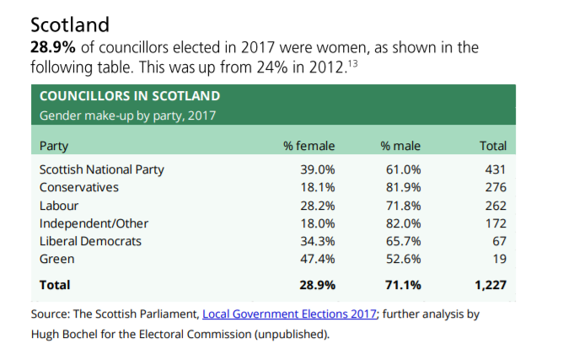
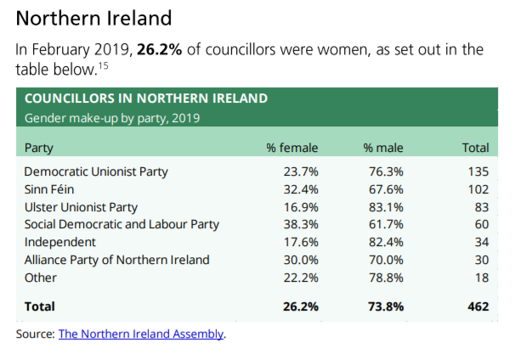
Organisation
Periodicity
Earliest Available Data
Geographical Coverage
Link to Data Source
Link to Data Source Text
Release Date (DD-MM-YYYY)
Next Release (DD-MM-YYYY)
Statistical Classification
Contact Details
Other Information
Data Source notes
Observation Status

Source 3
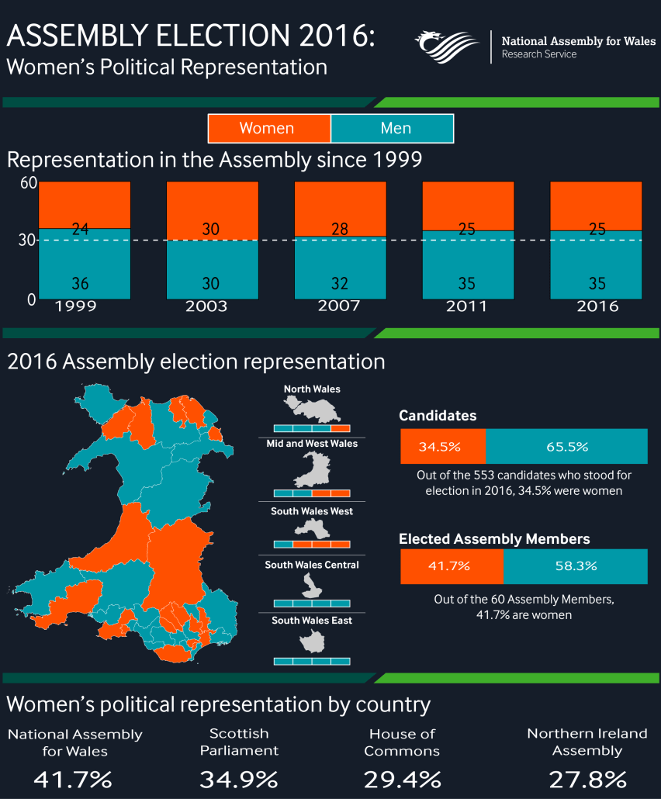
Organisation
Periodicity
Earliest Available Data
Geographical Coverage
Link to Data Source
Link to Data Source Text
Release Date (DD-MM-YYYY)
Next Release (DD-MM-YYYY)
Statistical Classification
Contact Details
Other Information
Data Source notes
Observation Status

Source 7
Organisation | Local Government Commission
Periodicity | Discontinuous
Earliest Available Data | 2004
Geographical Coverage | Wales
Link to Data Source | https://www.lgiu.org.uk/report/does-local-government-work-for-women/
Link to Data Source Text | Interim report for the Local Government Commission
Release Date (DD-MM-YYYY) | 00/04/2017
Next Release (DD-MM-YYYY) | TBC
Statistical Classification | Non-official
Contact Details
Other Information | 2019 data for Welsh local authority councillors is from Source 1.
Data Source notes

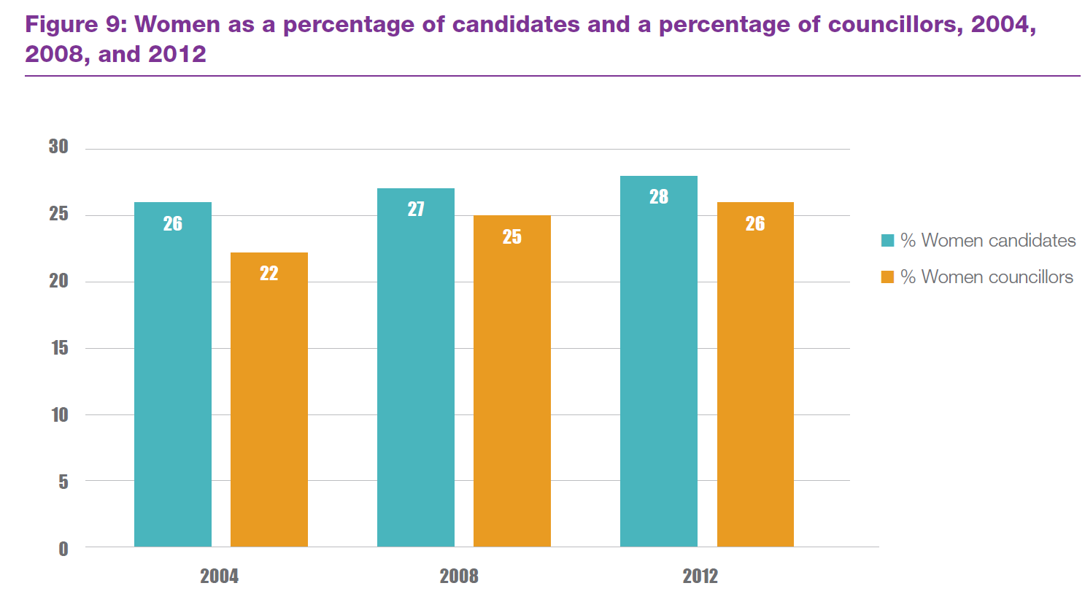

 | Year | Percentage of female members
 | 2004 | 22
 | 2008 | 25
 | 2012 | 26
 | 2019 | 28

Source 8
Organisation | Northern Ireland Assembly
Periodicity | Discontinuous
Earliest Available Data | 2005
Geographical Coverage | Northern Ireland
Link to Data Source | http://www.niassembly.gov.uk/globalassets/documents/raise/publications/2014/assembly_exec_review/7814.pdf
Link to Data Source Text | Northern Ireland Assembly report
Release Date (DD-MM-YYYY) | 2014-06-18
Next Release (DD-MM-YYYY) | TBC
Statistical Classification | Official Statistic
Contact Details
Other Information | 2019 data for Northern Irish local authority councillors is from Source 1.
Data Source notes

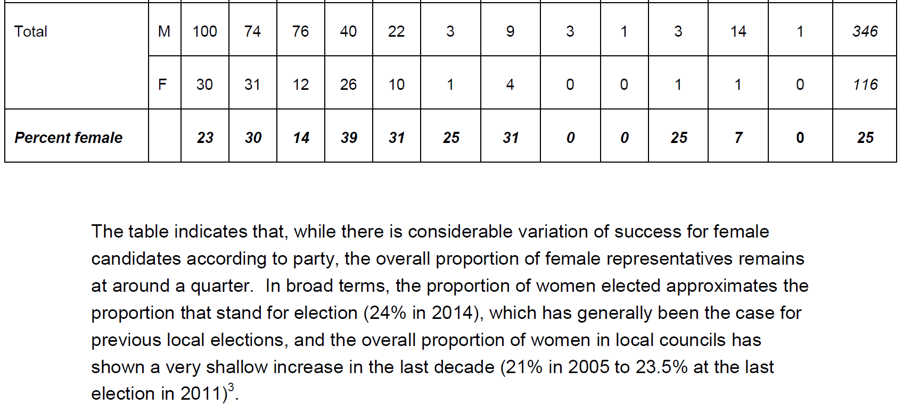
 | Year | Percentage of female members
 | 2005 | 21
 | 2011 | 23.5
 | 2014 | 25.108225108
 | 2019 | 26.2

 | Males | 116
 | Females | 346

